Dashboard
American Retailer

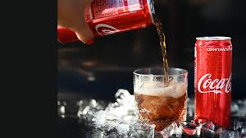
Total Profit by Beverage Brands
 | Total
Coca-Cola | $793,197
Dasani Water | $655,700
Diet Coke | $494,318
Fanta | $372,826
Powerade | $427,072
Sprite | $430,520
Total Profit by Region
 | Total
Midwest | $437,472
Northeast | $629,546
South | $542,046
Southeast | $641,554
West | $923,014
8684027.5
Total Sales

3888
Numb. of Sales

Montly Sales
 | Total
Jan | $510,750
Feb | $484,975
Mar | $483,530
Apr | $494,888
May | $673,573
Jun | $903,838
Jul | $1,041,438
Aug | $945,275
Sep | $681,000
Oct | $623,375
Nov | $795,613
Dec | $1,045,775

